RAM
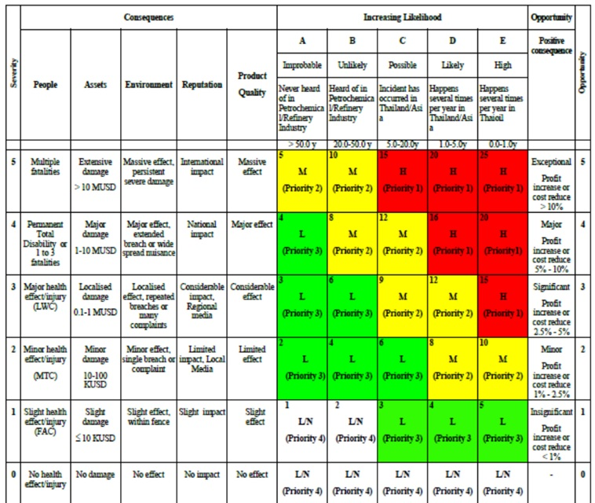

Risk Assessment Matrix : 5X5

